Sheet1
Defect Report of Jewellery online Shopping app

Defect Id | Defect Summary | Mobile device/version no | Step | Defect type | Defect severity | Defect priority | Screenshot/video
0.01 | once you login with an email id and then you logout and next next time if you want to login with different email id then it automatically logins with the previous id. Email id options are not shown from 2nd time onwards | Redmi K20 pro/MIUI version 12/Android version 11 | 1. open app 2. click on top left icon 3. click login.signup 4. click on google | security defect | critical | critical
0.02 | no option to upload dp | Redmi K20 pro/MIUI version 12/Android version 11 | 1. open app 2. click on top left icon | GUI defect | low | low
0.03 | once you click on any option on the left panel and you close the panel and when you reopen the panel, the same selected option window opens up | Redmi K20 pro/MIUI version 12/Android version 11 | 1. open app 2. click on top left icon 3. click on jewellery 4. close the panel 5. click on top left icon again | GUI defect | low | high
0.04 | in some items discount is written but confusion in price if it is original or discounted | Redmi K20 pro/MIUI version 12/Android version 11 | 1. open app 2. click on top left icon 3. click on jewellery 4. click on all jewellery | GUI defect | high | high | 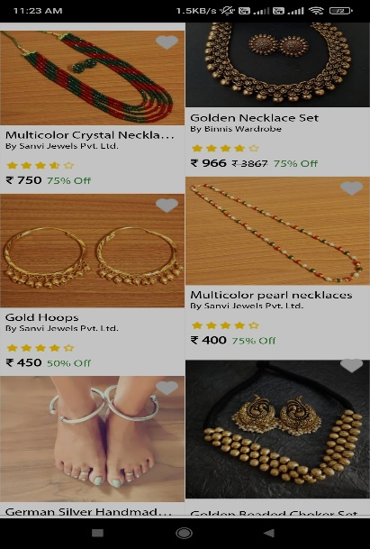
0.05 | there are options in gemstones but when you click on them there's nothing shown | Redmi K20 pro/MIUI version 12/Android version 11 | 1. open app 2. click on top left icon 3. click on jewellery 4. click on collections 5. click on gemstones 6. click on other gemstones | functionality defect | high | high | 
0.06 | category option is same as the left panel. It needs to be little different | Redmi K20 pro/MIUI version 12/Android version 11 | 1. open app 2. click on categories | GUI defect | low | low
0.07 | click on jewellery in the categories and the option just refreshes | Redmi K20 pro/MIUI version 12/Android version 11 | 1. open app 2. click on categories 3. click on jewellery | usability defect | low | low
0.08 | sometimes in the left panel if you click jewellery back option, it just refreshes background categories page | Redmi K20 pro/MIUI version 12/Android version 11 | 1. open app 2. click on categories 3. click on jewellery 4. click on top left icon 5. click on jewellery | usability defect | low | low
0.09 | There is one homepage option and one is home option. Names are confusing. Should be different | Redmi K20 pro/MIUI version 12/Android version 11 | 1. open app | usability defect | low | high
0.10 | It's a jewellery shopping app and it contains other thing too apart from jewellery. | Redmi K20 pro/MIUI version 12/Android version 11 | 1. open app 2. click on home | GUI defect | low | low
0.11 | The other things are not listed in categories | Redmi K20 pro/MIUI version 12/Android version 11 | 1. open app 2. click on categories | usability defect | high | high
0.12 | There are two options naming home and both have different functions | Redmi K20 pro/MIUI version 12/Android version 11 | 1. open app | GUI defect | high | high
0.13 | If you click on Luxe option and and then bottom home option, nothing happens. It should redirect to homepage option | Redmi K20 pro/MIUI version 12/Android version 11 | 1. open app 2. click on Luxe | functionality defect | high | high
0.14 | The home option only appears at starting page. Once you click on any items the option vanishes, so there is basically no function of home option | Redmi K20 pro/MIUI version 12/Android version 11 | 1. open app 2. click on any item | functionality defect | high | high
0.15 | when items are sorted from price low to high, the items are not properly sorted | Redmi K20 pro/MIUI version 12/Android version 11 | 1. open app 2. click on any item 3. click on sort 4. select price low to high | functionality defect | high | high | 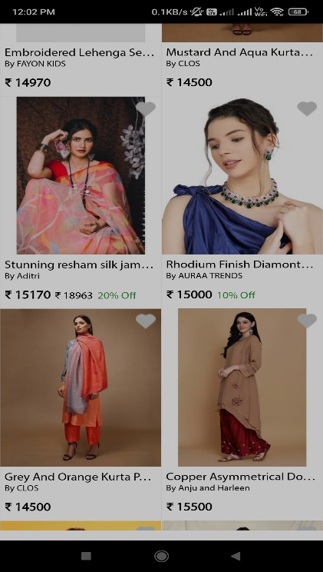
0.16 | when items are sorted from price high to low, the items are not properly sorted | Redmi K20 pro/MIUI version 12/Android version 11 | 1. open app 2. click on any item 3. click on sort 4. select price high to low | functionality defect | high | high | 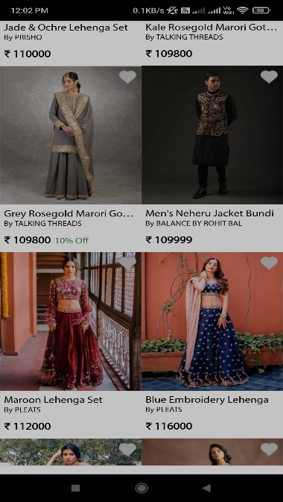
0.17 | In luxe options there are few images bottom down but there's no information about the image | Redmi K20 pro/MIUI version 12/Android version 11 | 1. open app 2. click on Luxe | functionality defect | high | high | 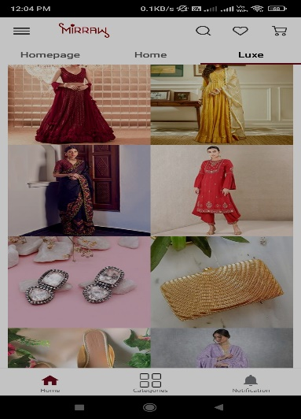
0.18 | sometimes when back button is clicked from mobile couple of times, the app is supposed to close but it doesn't happens | Redmi K20 pro/MIUI version 12/Android version 11 | 1. open app 2. click back button two times | functionality defect | high | high
0.19 | in wallet there is Mirraw money but information about it is not shown there | Redmi K20 pro/MIUI version 12/Android version 11 | 1. open app 2. click on top left icon 3. click on my wallet | usability defect | low | low | 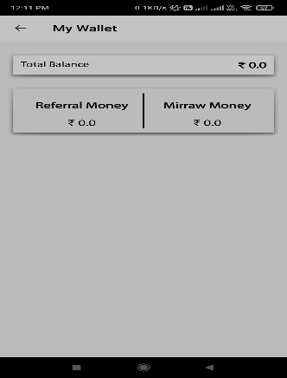
0.20 | in wallet there is referral money but information about it is not shown there | Redmi K20 pro/MIUI version 12/Android version 11 | 1. open app 2. click on top left icon 3. click on my wallet | usability defect | low | low
0.21 | when you scroll down, sort and filter option vanishes | Redmi K20 pro/MIUI version 12/Android version 11 | 1. open app 2. click on any item 3. scroll down | functionality defect | high | high
0.22 | when sorted by top rated, the items are not shown in proper order | Redmi K20 pro/MIUI version 12/Android version 11 | 1. open app 2. click on any item 3. click on sort 4. select top rated | functionality defect | high | high | 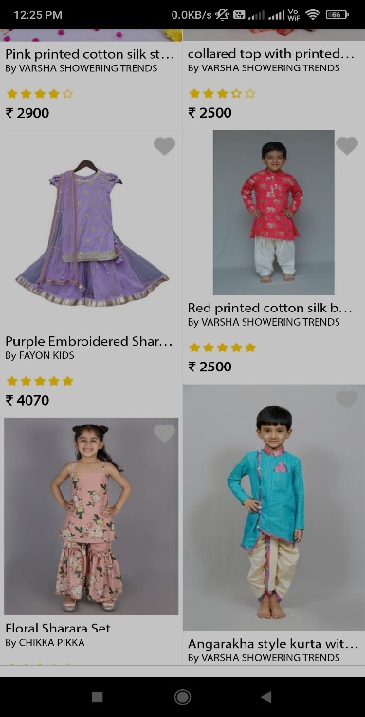
0.23 | the sort options of trending and recently popular seems same. It's difficult to understand the difference | Redmi K20 pro/MIUI version 12/Android version 11 | 1. open app 2. click on any item 3. click on sort | usability defect | low | low
0.24 | there's no option to clear sorting | Redmi K20 pro/MIUI version 12/Android version 11 | 1. open app 2. click on any item 3. click on sort | functionality defect | high | high | 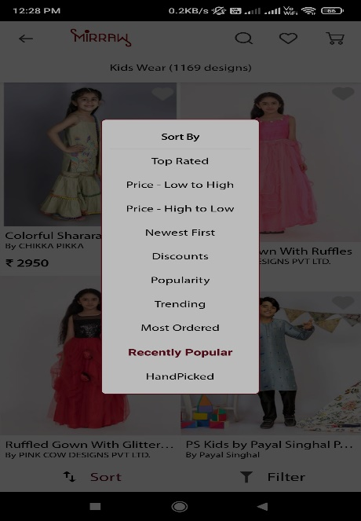
0.25 | Sometimes blank screen is shown | Redmi K20 pro/MIUI version 12/Android version 11 | 1. open app | critical functionality defect | critical | critical | 
0.26 | There are pics of options but when it's opened there's nothing to show | Redmi K20 pro/MIUI version 12/Android version 11 | 1. open app 2. scroll to bottom 3. click gemstone rings | functionality defect | high | high
0.27 | prices are changed according to size | Redmi K20 pro/MIUI version 12/Android version 11 | 1. open app 2. click on home 3. click on kids wear 4. selecy any item 5. select size | functionality defect | low | low
0.28 | in case of no discount the original price is erased and same price is written | Redmi K20 pro/MIUI version 12/Android version 11 | 1. open app 2. click on home 3. click on kids wear 4. selecy any item 5. select size 6. add to cart 7. go to cart | functionality defect | low | low | 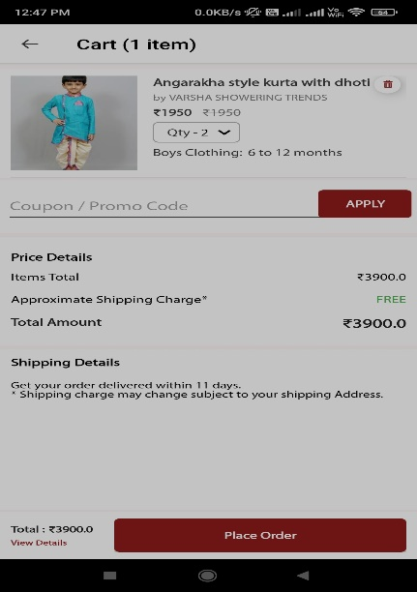
0.29 | at home page cart shows different number and when cart is opened it shows different number | Redmi K20 pro/MIUI version 12/Android version 11 | 1. open app 2. click on cart | functionality defect | low | high
0.30 | my wishlist shows 3 items but when I open my cart it shows more items | Redmi K20 pro/MIUI version 12/Android version 11 | 1. open app 2. click on wishlist 3. open cart | functionality defect | low | high

